Sheet
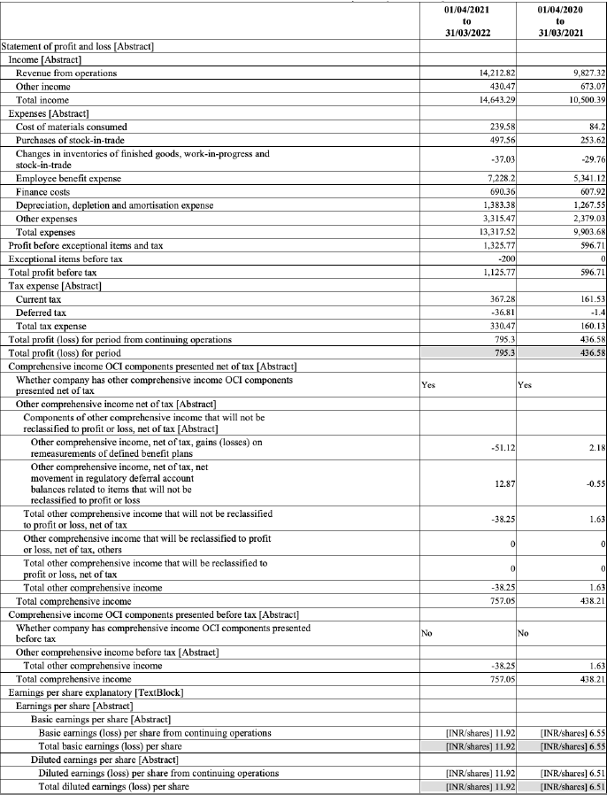
Metric | Financial Year 2020-21 (FY21) | Financial Year 2021-22 (FY22)
Total Income | 10039.89 | 14643.29
Profit/Loss % |  | 84.27873062
Operating Revenue | 9827.32 | 14212.82
Employee Benefit Expense | 5341.12 | 7228.2

